Button
Salary | Bank credit | Room rent | 2000
10000
12000
14000 |  |  |  |  | Name | Sales1 | sales2
16000 |  |  |  |  | Vikas | 175218 | 61923
Combo_Box
18000 |  |  |  |  | Ajay | 394 | 8961429
20000 |  |  |  |  | Brij | 347298[ | 216894
22000
24000 |  |  |  |  |  |  |  |  | 0
 |  |  |  |  |  |  |  |  | 0
Check_Box
 |  |  |  |  |  |  |  |  | 0
Check_Box
 |  |  |  |  |  |  |  |  | 0

 |  |  |  |  |  |  |  | Total

Salary | New_Salary
10000 | New_Salary
12000 | New_Salary
14000 | New_Salary | 100
16000 | New_Salary
18000 | New_Salary
20000 | New_Salary
22000 | New_Salary |  |  | New_Salary
24000 | New_Salary |  |  |  | New_Salary

Spin_Button
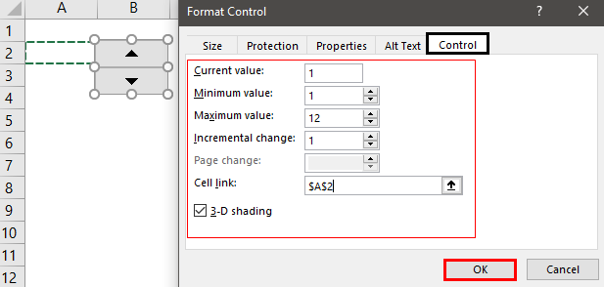
Form Controls

Spin Button

 |  |  |  | 10 |  |  |  |  |  |  |  | Old salary | Increment | New Salary
 |  |  |  |  |  |  |  |  |  |  |  | 100 | 5 | 105
 |  |  |  |  |  |  |  |  |  |  |  | 200
 |  |  |  |  |  |  |  |  |  |  |  | 300

 |  |  |  | Value
 |  |  |  | 5

 |  | Months | Total cost |  |  |  |  |  | Cell link | Months | sales
 | 1 | Jan | 200 |  |  |  |  |  | 4 | April | 908
 | 2 | February | 300
 | 3 | March | 604
 | 4 | April | 908
 | 5 | May | 1212
 | 6 | June | 1516 |  |  |  |  | Number | Months | total cost
 | 7 | July | 1820 |  |  |  |  | 9 | #VALUE! | #VALUE!
 | 8 | August | 2124 |  | Vlaues | Months | Total cost
 | 9 | September | 2428 |  | 0 | #N/A | #N/A |  |  |  |  | Number | Month | Total Cost
 | 10 | October | 2732 |  |  |  |  |  |  |  |  | 12 | December | 3340
 | 11 | November | 3036
 | 12 | December | 3340

Group Box & Radio button
Group Box and Radio Button
 |  |  |  | 4
Name
Age

 |  | 1

Label

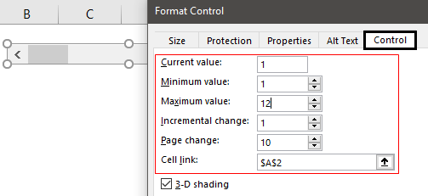
Scroll Bar

 |  |  | 9

 | 4

